Dala Sales & Deliveries
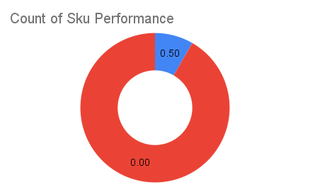
 |  |  |  |  |  | Total Invoices Delivered | 1.00 | Sku Performance | Units | Value
 |  |  |  |  |  | Unique Locations Supplied | 1.00 | 40g Respite Bitterleaf Tea Pouch Pack (10x) | 0.50 | 15,000.00
 |  |  |  |  |  | Total Value of orders | 15,000.00 | 40g Respite Bitterleaf Tea Tin Pack (6x) | 0.00 | 0.00
 |  |  |  |  |  |  |  |  | 0.00 | 0.00
 |  |  |  |  |  |  |  |  | 0.00 | 0.00
 |  |  |  |  |  |  |  |  | 0.00 | 0.00
 |  |  |  |  |  |  |  |  | 0.00 | 0.00
 |  |  |  |  |  |  |  |  | 0.00 | 0.00
 |  |  |  |  |  |  |  |  | 0.00 | 0.00
 |  |  |  |  |  |  |  |  | 0.00 | 0.00
 |  |  |  |  |  |  |  |  | 0.00 | 0.00
 |  |  |  |  |  |  |  |  | 0.00 | 0.00
 |  |  |  |  |  |  |  |  | 0.00 | 0.00
Date | Vch No. | Particulars | item name | Quantity | Value

2025-08-10 | DT:002831 | Limitless Mart, LEKKI | 40g Respite Bitterleaf Tea Pouch Pack (10x) | 0.50 | 15,000.00

